LP
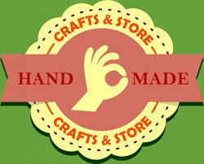 Highland Craft Store

Products | Bowl | Mug
Profit per unt | 40 | 50

Resource |  |  | Available | Usage | Leftover
Labour(hr/unit) | 1 | 2 | 40 | 40 |  | 40 | <= | 40
Clay(lb/unit) | 4 | 3 | 120 | 120 |  | 120 | <= | 120

Production
 | bowls | mugs
 | 24 | 8
Profit = | 1360

